Request 1 8-18 867.40
COE Purchase Request Form |  |  |  |  |  |  | Fill in below if you are maintaining a budget:
 | Requestor Name: | Dylan Astrup |  | If you have any questions or suggestions about this form, please email Ginger ASAP at macgowav@erau.edu |  |  |  |  |  | Funds Allocated: | $1,300.00
 | Requestor Email: | astrupd@my.erau.edu |  |  |  |  |  |  |  | Previous Expenses: | $46.85
 | Requestor Phone: | 9498702709 |  |  |  |  |  |  |  | Today's Expenses: | $1,712.89
 | Request Date: | 2023-03-10 |  |  |  |  |  |  |  | Cumulative Expenses: | $1,759.74
 |  |  |  |  |  |  |  |  |  | Remaining Balance: | -$459.74
 | Please be sure you have received and forwarded approval from Environmental Health and Safety (EHS) for hazardous materials to Ginger at macgowav@erau.edu or insert a copy in this spreadsheet.

Actual Order Date | Vendor Name | Part Number and/ or Description | Link | Price Each | QTY | Extended Price | Shipping | Tax | Other | Item Total | Vendor and Request Totals
 | McMaster-Carr | 8574K321, 6"x6"x1/2" Polycarbonate Sheet | https://www.mcmaster.com/8574K321/ | $12.20 | 7 | $85.40 | $- | $- | $- | $85.40
 | McMaster-Carr | 76385A33, 1/2"x25ft Rubber Tape | https://www.mcmaster.com/76385A33/ | $18.37 | 1 | $18.37 | $- | $- | $- | $18.37
 | McMaster-Carr | 90272A363, 4.75" Phillips screw pack of 10 | https://www.mcmaster.com/90272A363/ | $11.32 | 1 | $11.32 | $- | $- | $- | $11.32
 | McMaster-Carr | 90631A009, Locknut pack of 100 | https://www.mcmaster.com/90631A009/ | $4.60 | 1 | $4.60 | $- | $- | $- | $4.60
 | McMaster-Carr | 89535K12, 1ft 3/4" Diameter SS Rod | https://www.mcmaster.com/89535K12/ | $17.16 | 1 | $17.16 | $- | $- | $- | $17.16
 | McMaster-Carr | 4057K3, Insulating Fabric Roll 25ft | https://www.mcmaster.com/4057K3/ | $43.31 | 1 | $43.31 | $- | $- | $- | $43.31
 | McMaster-Carr | 4537K24, 3/4" Yor-Lok Valve | https://www.mcmaster.com/4537K24/ | $160.51 | 2 | $321.02 | $- | $- | $- | $321.02
 | McMaster-Carr | 53505K64, SS Barbed Hose Fitting 1/4" | https://www.mcmaster.com/53505K64/ | $21.31 | 2 | $42.62 | $- | $- | $- | $42.62
 | McMaster-Carr | 5779K175, Inline Tee Adapter 1/4" Tube | https://www.mcmaster.com/5779K175/ | $7.49 | 3 | $22.47 | $- | $- | $- | $22.47
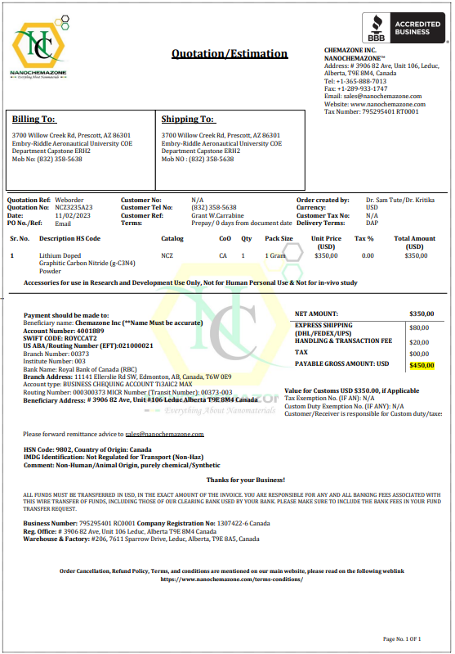
 | McMaster-Carr | 89895K757,3ft 3/4"OD SS Tubing | https://www.mcmaster.com/89895K757/ | $35.75 | 1 | $35.75 | $- | $- | $- | $35.75
 |  | TAXES AND SHIPPING |  |  |  | $- | $33.54 | $49.64 | $- | $83.18
 |  |  |  |  |  |  | HAZMAT /Fees: | $- | $- | $-
 |  |  |  |  |  |  |  |  |  | Vendor Total: | $685.20
 | Amazon | Silicone Gasket, 3oz | https://www.amazon.com/Permatex-81160-High-Temp-Silicone-Gasket/dp/B0002UEN1A/ref=zg_bs_15719581_sccl_2/145-3672795-4571569?th=1 | $5.55 | 1 | $5.55 | $- | $- | $- | $5.55
 | Amazon | Potassium Hydroxide, 2lb pack of 1 | https://www.amazon.com/Potassium-Hydroxide-Food-Grade-Pound/dp/B085NG5TRJ/ref=pd_lpo_1?pd_rd_w=24Cx0&content-id=amzn1.sym.116f529c-aa4d-4763-b2b6-4d614ec7dc00&pf_rd_p=116f529c-aa4d-4763-b2b6-4d614ec7dc00&pf_rd_r=DNJMEHQWADHB72BP1CZX&pd_rd_wg=VtZy5&pd_rd_r=678e5a1c-bbf1-4f49-b421-8c00ccfc2d16&pd_rd_i=B085NG5TRJ&psc=1 | $15.99 | 1 | $15.99 | $- | $- | $- | $15.99
 | Amazon | 2 pack 1/4" NPT Coupler | https://www.amazon.com/Pack-Coupler-Brass-Female-Fitting/dp/B082V8FJQJ?th=1 | $4.99 | 2 | $9.98 | $- | $- | $- | $9.98
 | Amazon | 1/4" OD 10ft PVC Clear Vinyl Tubing | https://www.amazon.com/Ez-Flo-98615-Clear-Vinyl-Tubing/dp/B07Q1D14HF/ref=sr_1_8?crid=NXO1CWM8J9S1&keywords=ptfe+tubing+1%2F4+in+od&qid=1677532041&sprefix=ptfe+tubing+1%2F4+in+od%2Caps%2C200&sr=8-8 | $3.48 | 1 | $3.48 | $- | $- | $- | $3.48
 | Amazon | DC Power Supply 0-30V 0-20A | https://www.amazon.com/Regulated-Variable-Adjustable-Accessories-Inverter/dp/B0924K3VQ5/ref=asc_df_B0924K3VQ5/?tag=hyprod-20&linkCode=df0&hvadid=507777183588&hvpos=&hvnetw=g&hvrand=109385564297554024&hvpone=&hvptwo=&hvqmt=&hvdev=c&hvdvcmdl=&hvlocint=&hvlocphy=9030327&hvtargid=pla-1298184678904&psc=1&region_id=972485 | $149.99 | 1 | $149.99 | $- | $- | $- | $149.99
 |  | TAXES AND SHIPPING |  | $- |  | $- | $15.00 | $13.52 | $- | $28.52
 |  |  |  |  |  |  | HAZMAT /Fees: |  |  | $-
 |  |  |  |  |  |  |  |  |  | Vendor Total: | $213.51
 | Nanochemzone | Lithium Doped Graphitic Carbon Nitride | https://www.nanochemazone.com/product/doped-graphitic-carbon-nitrides/ | $350.00 | 1 | $350.00 | $80.00 | $- | $20.00 | $450.00 |  | See Quote
 |  |  |  |  |  |  | HAZMAT /Fees: | $- | $- | $-
 |  |  |  |  |  |  |  |  |  | Vendor Total: | $450.00
 | TWP Inc | 1 Micron 1 layer Sintered Stainless Mesh, 1"x1" Sample | https://www.twpinc.com/1-micron-1-layer-sintered-stainless-mesh | $10.00 | 4 | $40.00 | $7.60 | $- | $(10.00) | $37.60 |  | Discount from BOGO
 |  |  |  |  |  |  | HAZMAT /Fees: | $- | $- | $-
 |  |  |  |  |  |  |  |  |  | Vendor Total: | $37.60
 | Thomas Scientific | Heater Element Wire, Electrically Insulated | https://www.thomassci.com/Equipment/Heaters/_/Heater-Element-Wire-Electrically-Insulated | $157.98 | 1 | $157.98 | $24.00 | $- | $- | $181.98
 |  |  |  |  |  |  | HAZMAT /Fees: | $- | $- | $-
 |  |  |  |  |  |  |  |  |  | Vendor Total: | $181.98
 | Grainger | Low Pressure gauge, 0-15in wc, Item# 491C64 | https://www.grainger.com/product/WINTERS-Low-Pressure-Gauge-For-Natural-491C64 | $51.70 | 2 | $103.40 | $10.98 | $- | $- | $114.38
 |  |  |  |  |  |  | HAZMAT /Fees: | $- | $- | $-
 |  |  |  |  |  |  |  |  |  | Vendor Total: | $114.38
 | HGSI | Compression Fitting, NPT Thread, 1/8" OD Thermocouple Probe, 1/4" NPT Thread | https://www.hgsind.com/product/thermocouple-compression-fittings-npt-thread?v=74 | $7.50 | 1 | $7.50 | $22.72 | $- | $- | $30.22
 |  |  |  |  |  |  | HAZMAT /Fees: | $- | $- | $-
 |  |  |  |  |  |  |  |  |  | Vendor Total: | $30.22
 |  |  |  |  |  |  |  |  |  | Purchase Request Total: | $1,712.89

